Test Statistics
TEST STATISTICS

Project Name | CareBridge - A Maternal and Early Childhood Healthcare Platform |  | Creator |  | ChuongBD
Project Code | MECHP |  | Reviewer/Approver
Document Code | Integration Test |  | Issue Date |  | 05/06/2026
Notes

No | Module code | Passed | Failed | Pending | N/A | Number of test cases
1 | Authentication_Access_Control | 30 | 0 | 0 | 0 | 30
2 | Mother_Care_Journey | 38 | 0 | 0 | 0 | 38
3 | Baby_Growth_Vaccination | 20 | 0 | 0 | 0 | 20
4 | Community_QA_Moderation | 22 | 0 | 0 | 0 | 22
5 | Expert_Network_Contribution | 20 | 0 | 0 | 0 | 20
6 | AI_Nurse_Risk_Triage | 15 | 0 | 0 | 0 | 15
7 | Emergency_Map_Nearby_Care | 12 | 0 | 0 | 0 | 12
8 | Family_Sync_Cooperative_Care | 16 | 0 | 0 | 0 | 16
9 | Content_Checklist_Hub | 20 | 0 | 0 | 0 | 20
10 | Activity_Safety_Monitoring | 10 | 0 | 0 | 0 | 10

 | Sub total | 203 | 0 | 0 | 0 | 203

Test Case Category |  | Number of Test Case
Functional Integration Flow |  | 85
API & Database Persistence |  | 45
Authentication & Security / RBAC |  | 32
External Services & Sidecars |  | 26
Cross-Module Coordination |  | 15
Total |  | 203

 | Test coverage |  | 100.00 | %
 | Test successful coverage |  | 100.00 | %

Pass/Fail Statistics

Authentication_Access_Control
Feature | Account, Trust & Access Control
Test requirement | Mobile/Web ↔ Auth/Profile/Privacy/Consent/Session/Notification/Admin/Audit ↔ PostgreSQL/Firebase/SMTP
Number of TCs | 30
Testing Round | Passed | Failed | Pending | N/A
Round 1 | 30 | 0 | 0 | 0
Round 2 | 16 | 14 | 0 | 0
Round 3 | 24 | 6 | 0 | 0
Round 4 | 30 | 0 | 0 | 0
Round 5 | 30 | 0 | 0 | 0

Test Case ID | Test Case Description | Test Case Procedure | Expected Results | Pre-conditions | Evidence | Round 1 | Test date | Tester | Round 2 | Test date | Tester | Round 3 | Test date | Tester | Round 4 | Test date | Round 5 | Test date | Tester | Note
Account, Trust & Access Control
IT-AUTH-001 | Verify that a guest can register a new account with valid credentials and receive an OTP verification code. | 1. Navigate to the Register page. 2. Enter valid registration details: full name, email, password, and phone number. 3. Select role Mother. 4. Click the Register button. | A registration success message is displayed indicating that an OTP has been sent, and the user is redirected to the OTP Verification page. | The email address and phone number are not yet registered in the system. | 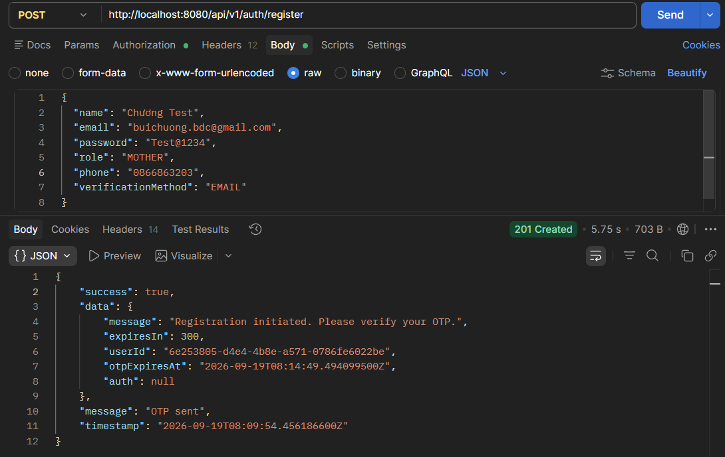 | Passed | 2026-06-25 | ChuongBD | Passed | 2026-07-02 | ChuongBD | Passed | 2026-07-10 | ChuongBD | Passed | 2026-07-18 | Passed | 2026-07-28 | ChuongBD
IT-AUTH-002 | Verify that an authenticated user can continue using the application after an idle period. | 1. Log in using a valid Mother mock account. 2. Navigate to the Account Settings page. 3. Leave the application idle until the current session requires renewal. 4. Return to the Account Settings page. 5. Select a visible item. | The requested page remains available and the selected item is displayed without asking the user to sign in again. | A valid active Mother mock account is available. The user is logged in and has an active session. | 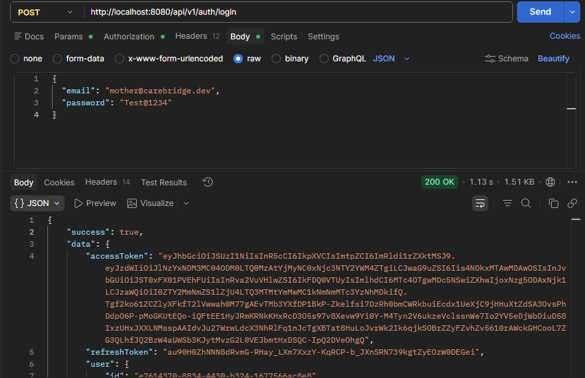 | Passed | 2026-06-25 | ChuongBD | Passed | 2026-07-02 | ChuongBD | Failed | 2026-07-10 | ChuongBD | Passed | 2026-07-18 | Passed | 2026-07-28 | ChuongBD
IT-AUTH-003 | Verify that the user can request a new verification code. | 1. Navigate to the OTP Verification page. 2. Wait until the Resend Code action becomes available. 3. Click the Resend Code link. | A confirmation message is displayed and the code entry fields remain available for the new code. | A valid mock account has a pending verification challenge. The OTP Verification page is displayed. | 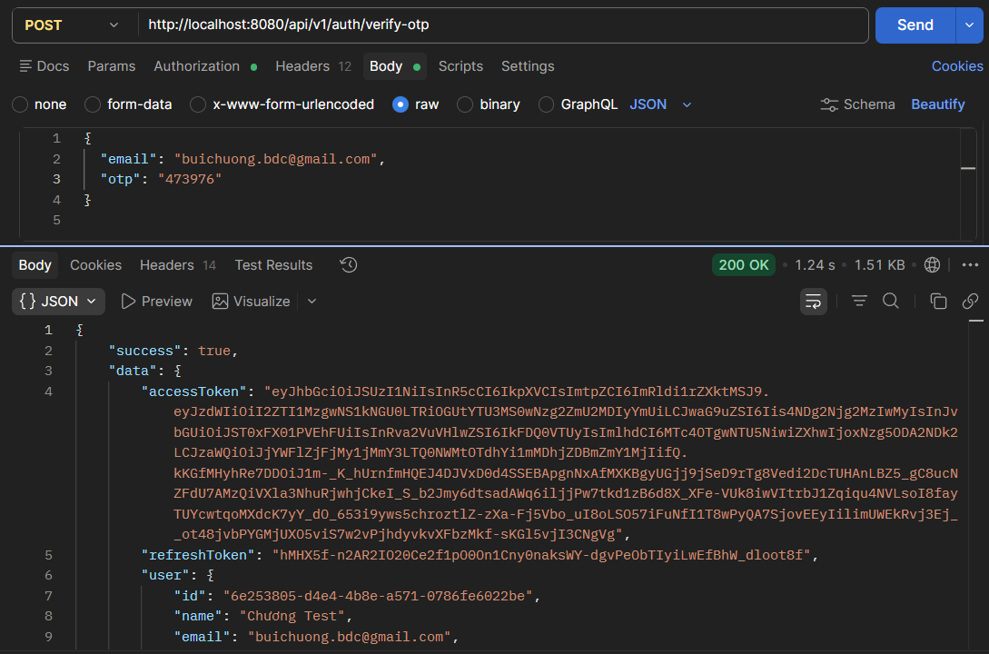 | Passed | 2026-06-25 | ChuongBD | Failed | 2026-07-02 | ChuongBD | Passed | 2026-07-10 | ChuongBD | Passed | 2026-07-18 | Passed | 2026-07-28 | ChuongBD
IT-AUTH-004 | Verify that the user can confirm a valid verification code. | 1. Navigate to the OTP Verification page. 2. Enter the valid six-digit code in the verification fields. 3. Click the Verify button. | A success message is displayed and the user is redirected to the next permitted page. | A valid unused verification code is available for the mock account. The OTP Verification page is displayed. |  | Passed | 2026-06-25 | ChuongBD | Passed | 2026-07-02 | ChuongBD | Failed | 2026-07-10 | ChuongBD | Passed | 2026-07-18 | Passed | 2026-07-28 | ChuongBD
IT-AUTH-005 | Verify that a permitted Administrator user can add staff account. | 1. Log in using a valid Administrator mock account. 2. Navigate to the User Management page. 3. Click the Add Staff Account button. 4. Enter valid values in the required fields. 5. Select the required options. 6. Click the Save button. | A success message is displayed and the new staff account appears in the visible list or detail page. | A valid active Administrator mock account is available. The user is logged in as Administrator. Required mock staff account data is available when the flow needs an existing item. | 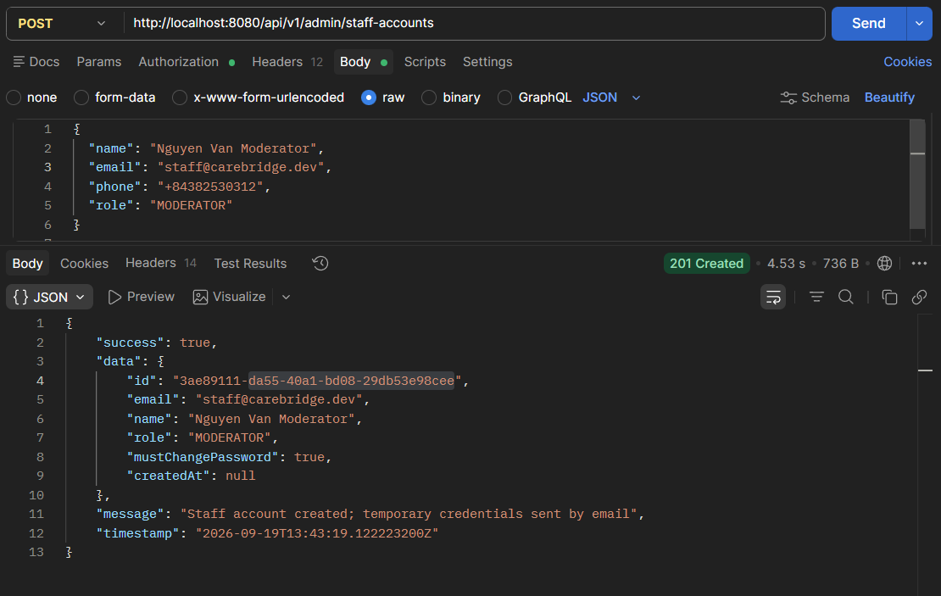 | Passed | 2026-06-25 | ChuongBD | Failed | 2026-07-02 | ChuongBD | Passed | 2026-07-10 | ChuongBD | Passed | 2026-07-18 | Passed | 2026-07-28 | ChuongBD
IT-AUTH-006 | Verify that the Login button cannot be submitted repeatedly while sign-in is in progress. | 1. Navigate to the Login page. 2. Enter a valid email address in the Email field. 3. Enter a valid password in the Password field. 4. Click the Login button twice in quick succession. | The Login button becomes disabled while sign-in is in progress, preventing duplicate requests, and the user is redirected only once to the Home page. | A valid active Mother account is available. The user is on the Login page. | 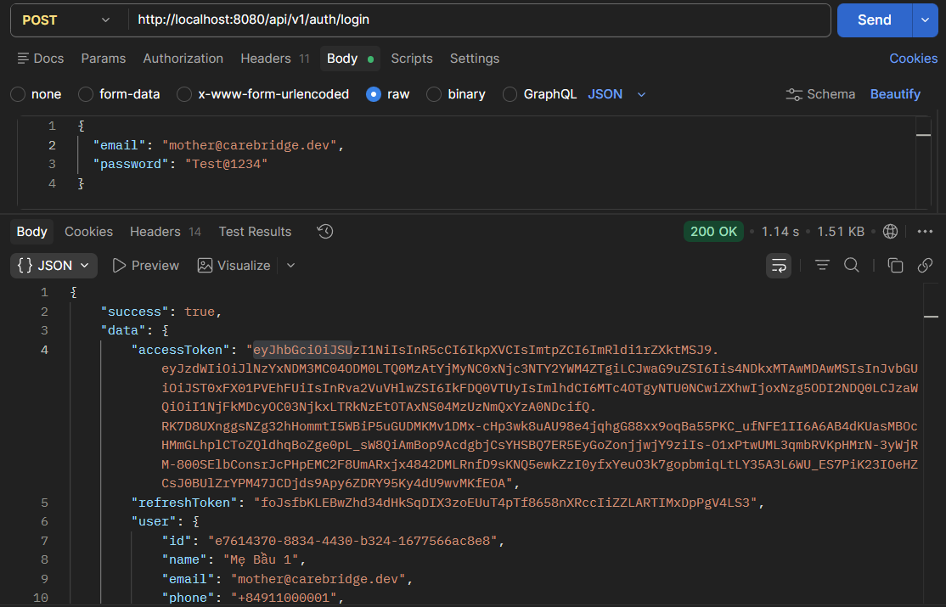 | Passed | 2026-06-25 | ChuongBD | Failed | 2026-07-02 | ChuongBD | Passed | 2026-07-10 | ChuongBD | Passed | 2026-07-18 | Passed | 2026-07-28 | ChuongBD
IT-AUTH-007 | Verify that a user can request a password reset with their registered email. | 1. Navigate to the Forgot Password page. 2. Enter the registered email address in the Email field. 3. Click the Send Reset Link button. | A confirmation message is displayed, and a password reset link/code is dispatched to the registered email address. | The email address corresponds to an active account in the system. | 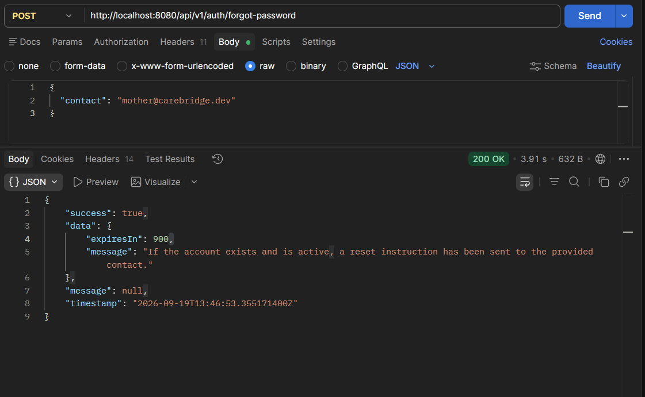 | Passed | 2026-06-25 | ChuongBD | Passed | 2026-07-02 | ChuongBD | Failed | 2026-07-10 | ChuongBD | Passed | 2026-07-18 | Passed | 2026-07-28 | ChuongBD
IT-AUTH-008 | Verify that a permitted Mother user can add link google identity. | 1. Log in using a valid Mother mock account. 2. Navigate to the Account Settings page. 3. Click the Add Link Google Identity button. 4. Enter valid values in the required fields. 5. Select the required options. 6. Click the Save button. | A success message is displayed and the new link google identity appears in the visible list or detail page. | A valid active Mother mock account is available. The user is logged in as Mother. Required mock link google identity data is available when the flow needs an existing item. | [POSTMAN SPECIFICATION] BASE URL: http://localhost:8080 METHOD: POST URL: http://localhost:8080/api/v1/auth/identities/google HEADERS: Authorization: Bearer <JWT_BEARER_TOKEN> Content-Type: application/json BODY (JSON): { "idToken": "<FIREBASE_GOOGLE_ID_TOKEN>" } EXPECTED RESPONSE: Status: 200 OK Body: { "success": true, "message": "Google account linked" } | Passed | 2026-06-25 | ChuongBD | Passed | 2026-07-02 | ChuongBD | Passed | 2026-07-10 | ChuongBD | Passed | 2026-07-18 | Passed | 2026-07-28 | ChuongBD
IT-AUTH-009 | Verify that an authenticated user can log out, invalidating their active session. | 1. Log in using a valid Mother account. 2. Navigate to Account Settings / Profile menu. 3. Click the Log Out button. 4. Click Confirm in the logout confirmation dialog. | The active session is revoked, stored auth tokens are cleared, and the user is redirected to the Login page. | The user is logged in with an active session. | [POSTMAN SPECIFICATION] BASE URL: http://localhost:8080 METHOD: POST URL: http://localhost:8080/api/v1/auth/logout HEADERS: Authorization: Bearer <JWT_BEARER_TOKEN> Content-Type: application/json BODY (JSON): { "refreshToken": "<REFRESH_TOKEN>" } EXPECTED RESPONSE: Status: 200 OK Body: { "success": true, "message": "Logged out" } | Passed | 2026-06-25 | ChuongBD | Failed | 2026-07-02 | ChuongBD | Passed | 2026-07-10 | ChuongBD | Passed | 2026-07-18 | Passed | 2026-07-28 | ChuongBD
IT-AUTH-010 | Verify that a user can set a new password using a valid password reset token. | 1. Open the password reset link with a valid reset token. 2. Enter a new password conforming to security policy. 3. Confirm the new password. 4. Click the Reset Password button. | A success message is displayed, the password is updated, and the user can log in with the new password. | A valid password reset token has been issued for the account. | [POSTMAN SPECIFICATION] BASE URL: http://localhost:8080 METHOD: POST URL: http://localhost:8080/api/v1/auth/reset-password HEADERS: Content-Type: application/json BODY (JSON): { "token": "valid-reset-token-sample", "newPassword": "NewPassword@123", "confirmPassword": "NewPassword@123" } EXPECTED RESPONSE: Status: 200 OK Body: { "success": true, "message": "Password reset successfully" } | Passed | 2026-06-25 | ChuongBD | Failed | 2026-07-02 | ChuongBD | Passed | 2026-07-10 | ChuongBD | Passed | 2026-07-18 | Passed | 2026-07-28 | ChuongBD
IT-AUTH-011 | Verify that a permitted Mother user can add grant. | 1. Log in using a valid Mother mock account. 2. Navigate to the Consent Management page. 3. Click the Add Grant button. 4. Enter valid values in the required fields. 5. Select the required options. 6. Click the Save button. | A success message is displayed and the new grant appears in the visible list or detail page. | A valid active Mother mock account is available. The user is logged in as Mother. Required mock grant data is available when the flow needs an existing item. | [POSTMAN SPECIFICATION] BASE URL: http://localhost:8080 METHOD: PUT URL: http://localhost:8080/api/v1/privacy-settings/me HEADERS: Authorization: Bearer <JWT_BEARER_TOKEN> Content-Type: application/json BODY (JSON): { "profileVisibility": "PUBLIC", "locationSharingEnabled": true, "analyticsConsent": true, "dataExportOptOut": false } EXPECTED RESPONSE: Status: 200 OK Body: { "success": true, "message": "Privacy settings updated successfully" } | Passed | 2026-06-25 | ChuongBD | Passed | 2026-07-02 | ChuongBD | Passed | 2026-07-10 | ChuongBD | Passed | 2026-07-18 | Passed | 2026-07-28 | ChuongBD
IT-AUTH-012 | Verify that the application does not expose a standalone control for the sign-in handoff. | 1. Log in using a valid Mother mock account. 2. Navigate to the Account Settings page. 3. Open the Linked Accounts section. 4. Verify the available sign-in options. | The Linked Accounts section displays only the implemented user-facing sign-in options and no standalone handoff control is displayed. | A valid active Mother mock account is available. The user is logged in as Mother. | [POSTMAN SPECIFICATION] BASE URL: http://localhost:8080 METHOD: GET URL: http://localhost:8080/api/v1/auth/identities/google HEADERS: Authorization: Bearer <JWT_BEARER_TOKEN> EXPECTED RESPONSE: Status: 200 OK Body: { "success": true, "data": { "linked": true, "email": "user@gmail.com" } } | Passed | 2026-06-25 | ChuongBD | Failed | 2026-07-02 | ChuongBD | Passed | 2026-07-10 | ChuongBD | Passed | 2026-07-18 | Passed | 2026-07-28 | ChuongBD
IT-AUTH-013 | Verify that the user can enable notifications on the current device. | 1. Log in using a valid Mother mock account. 2. Navigate to the Notification Preferences page. 3. Enable the Push Notifications option. 4. Select the Allow option in the notification permission dialog. | The Push Notifications option is shown as enabled for the current device. | A valid active Mother mock account is available. The user is logged in as Mother. Notification permission has not been blocked permanently. | [POSTMAN SPECIFICATION] BASE URL: http://localhost:8080 METHOD: PUT URL: http://localhost:8080/api/v1/users/me/notification-preferences HEADERS: Authorization: Bearer <JWT_BEARER_TOKEN> Content-Type: application/json BODY (JSON): { "preferences": [ { "channel": "PUSH", "category": "SYSTEM", "enabled": true } ], "appointmentReminderDefaults": [15, 60] } EXPECTED RESPONSE: Status: 200 OK Body: { "success": true, "message": "Notification preferences updated successfully" } | Passed | 2026-06-25 | ChuongBD | Passed | 2026-07-02 | ChuongBD | Passed | 2026-07-10 | ChuongBD | Passed | 2026-07-18 | Passed | 2026-07-28 | ChuongBD
IT-AUTH-014 | Verify that an authenticated user can deactivate their own account. | 1. Log in using a valid Mother account. 2. Navigate to Account Settings -> Deactivate Account. 3. Enter the account password and select a deactivation reason. 4. Click Confirm Deactivation. | A deactivation confirmation message is displayed, all active sessions are revoked, and subsequent login attempts are rejected. | The user is logged in with an active account. | [POSTMAN SPECIFICATION] BASE URL: http://localhost:8080 METHOD: DELETE URL: http://localhost:8080/api/v1/auth/deactivate HEADERS: Authorization: Bearer <JWT_BEARER_TOKEN> Content-Type: application/json BODY (JSON): { "confirmPassword": "Test@1234", "reason": "Account no longer needed" } EXPECTED RESPONSE: Status: 200 OK Body: { "success": true, "message": "Account deactivated successfully" } | Passed | 2026-06-25 | ChuongBD | Passed | 2026-07-02 | ChuongBD | Failed | 2026-07-10 | ChuongBD | Passed | 2026-07-18 | Passed | 2026-07-28 | ChuongBD
IT-AUTH-015 | Verify that a permitted Mother user can revoke grants. | 1. Log in using a valid Mother mock account. 2. Navigate to the Consent Management page. 3. Select an existing grants item. 4. Click the Revoke button. 5. Click the Confirm button in the confirmation dialog. | The confirmation dialog is closed and the selected grants is removed from the visible list or marked as revoked. | A valid active Mother mock account is available. The user is logged in as Mother. Required mock grants data is available when the flow needs an existing item. | [POSTMAN SPECIFICATION] BASE URL: http://localhost:8080 METHOD: PUT URL: http://localhost:8080/api/v1/privacy-settings/me HEADERS: Authorization: Bearer <JWT_BEARER_TOKEN> Content-Type: application/json BODY (JSON): { "profileVisibility": "PRIVATE", "locationSharingEnabled": false, "analyticsConsent": false, "dataExportOptOut": true } EXPECTED RESPONSE: Status: 200 OK Body: { "success": true, "message": "Privacy settings updated successfully" } | Passed | 2026-06-25 | ChuongBD | Failed | 2026-07-02 | ChuongBD | Passed | 2026-07-10 | ChuongBD | Passed | 2026-07-18 | Passed | 2026-07-28 | ChuongBD
IT-AUTH-016 | Verify that the user can disable notifications on the current device. | 1. Log in using a valid Mother mock account. 2. Navigate to the Notification Preferences page. 3. Disable the Push Notifications option. 4. Click the Confirm button if a confirmation dialog is displayed. | The Push Notifications option is shown as disabled for the current device. | A valid active Mother mock account is available. The user is logged in as Mother. Push notifications are currently enabled. | [POSTMAN SPECIFICATION] BASE URL: http://localhost:8080 METHOD: PUT URL: http://localhost:8080/api/v1/users/me/notification-preferences HEADERS: Authorization: Bearer <JWT_BEARER_TOKEN> Content-Type: application/json BODY (JSON): { "preferences": [ { "channel": "PUSH", "category": "SYSTEM", "enabled": false } ], "appointmentReminderDefaults": [] } EXPECTED RESPONSE: Status: 200 OK Body: { "success": true, "message": "Notification preferences updated successfully" } | Passed | 2026-06-25 | ChuongBD | Passed | 2026-07-02 | ChuongBD | Passed | 2026-07-10 | ChuongBD | Passed | 2026-07-18 | Passed | 2026-07-28 | ChuongBD
IT-AUTH-017 | Verify that a permitted Mother user can revoke all other sessions. | 1. Log in using a valid Mother mock account. 2. Navigate to the Login Sessions page. 3. Select an existing all other sessions item. 4. Click the Revoke button. 5. Click the Confirm button in the confirmation dialog. | The confirmation dialog is closed and the selected all other sessions is removed from the visible list or marked as revoked. | A valid active Mother mock account is available. The user is logged in as Mother. Required mock all other sessions data is available when the flow needs an existing item. | [POSTMAN SPECIFICATION] BASE URL: http://localhost:8080 METHOD: DELETE URL: http://localhost:8080/api/v1/sessions HEADERS: Authorization: Bearer <JWT_BEARER_TOKEN> EXPECTED RESPONSE: Status: 200 OK Body: { "success": true, "message": "Revoked other session(s)" } | Passed | 2026-06-25 | ChuongBD | Passed | 2026-07-02 | ChuongBD | Passed | 2026-07-10 | ChuongBD | Passed | 2026-07-18 | Passed | 2026-07-28 | ChuongBD
IT-AUTH-018 | Verify that a permitted Mother user can revoke session. | 1. Log in using a valid Mother mock account. 2. Navigate to the Login Sessions page. 3. Select an existing session item. 4. Click the Revoke button. 5. Click the Confirm button in the confirmation dialog. | The confirmation dialog is closed and the selected session is removed from the visible list or marked as revoked. | A valid active Mother mock account is available. The user is logged in as Mother. Required mock session data is available when the flow needs an existing item. | [POSTMAN SPECIFICATION] BASE URL: http://localhost:8080 METHOD: DELETE URL: http://localhost:8080/api/v1/sessions/550e8400-e29b-41d4-a716-446655440000 HEADERS: Authorization: Bearer <JWT_BEARER_TOKEN> EXPECTED RESPONSE: Status: 200 OK Body: { "success": true, "data": null } | Passed | 2026-06-25 | ChuongBD | Failed | 2026-07-02 | ChuongBD | Passed | 2026-07-10 | ChuongBD | Passed | 2026-07-18 | Passed | 2026-07-28 | ChuongBD
IT-AUTH-019 | Verify that the user can retry loading the Account Settings page after an error. | 1. Log in using a valid Mother mock account. 2. Navigate to the Account Settings page. 3. Wait for the error message to be displayed. 4. Click the Retry button. | The page attempts to load again and then displays either the requested content or the implemented error message. | A valid active Mother mock account is available. The user is logged in as Mother. The error-state mock is enabled. | [POSTMAN SPECIFICATION] BASE URL: http://localhost:8080 METHOD: GET URL: http://localhost:8080/api/v1/auth/profile HEADERS: Authorization: Bearer <JWT_BEARER_TOKEN> EXPECTED RESPONSE: Status: 200 OK Body: { "success": true, "data": { "id": "550e8400-e29b-41d4-a716-446655440000", "email": "mother1@carebridge.dev", "role": "MOTHER", "status": "ACTIVE" } } | Passed | 2026-06-25 | ChuongBD | Passed | 2026-07-02 | ChuongBD | Passed | 2026-07-10 | ChuongBD | Passed | 2026-07-18 | Passed | 2026-07-28 | ChuongBD
IT-AUTH-020 | Verify required-field validation on the Account Settings form. | 1. Log in using a valid Mother mock account. 2. Navigate to the Account Settings page. 3. Open an available add or edit form. 4. Leave the required fields empty. 5. Click the Save button. | Validation messages are displayed beside the required fields and the form remains displayed. | A valid active Mother mock account is available. The user is logged in as Mother. An add or edit form is available on the page. | [POSTMAN SPECIFICATION] BASE URL: http://localhost:8080 METHOD: PUT URL: http://localhost:8080/api/v1/auth/profile HEADERS: Authorization: Bearer <JWT_BEARER_TOKEN> Content-Type: application/json BODY (JSON): { "name": "", "phone": "invalid-phone" } EXPECTED RESPONSE: Status: 400 Bad Request Body: { "success": false, "error": "VALIDATION_ERROR", "message": "Invalid request" } | Passed | 2026-06-25 | ChuongBD | Failed | 2026-07-02 | ChuongBD | Passed | 2026-07-10 | ChuongBD | Passed | 2026-07-18 | Passed | 2026-07-28 | ChuongBD
IT-AUTH-021 | Verify that a locked user cannot log in. | 1. Navigate to the Login page. 2. Enter the locked mock account email address in the Email or Phone field. 3. Enter the valid password in the Password field. 4. Click the Login button. | The blocked-account message or page is displayed and the restricted Home page is not displayed. | The corresponding mock account or input fixture is available. The user is currently on the Login page. | [POSTMAN SPECIFICATION] BASE URL: http://localhost:8080 METHOD: POST URL: http://localhost:8080/api/v1/auth/login HEADERS: Content-Type: application/json BODY (JSON): { "email": "locked.user@carebridge.dev", "password": "Test@1234" } EXPECTED RESPONSE: Status: 403 Forbidden / 429 Too Many Requests Body: { "success": false, "message": "Account is disabled or locked" } | Passed | 2026-06-25 | ChuongBD | Failed | 2026-07-02 | ChuongBD | Failed | 2026-07-10 | ChuongBD | Passed | 2026-07-18 | Passed | 2026-07-28 | ChuongBD
IT-AUTH-022 | Verify that an unverified user is directed to account verification. | 1. Navigate to the Login page. 2. Enter the unverified mock account email address in the Email or Phone field. 3. Enter the valid password in the Password field. 4. Click the Login button. | The OTP Verification page or verification-required message is displayed. | The corresponding mock account or input fixture is available. The user is currently on the Login page. | [POSTMAN SPECIFICATION] BASE URL: http://localhost:8080 METHOD: POST URL: http://localhost:8080/api/v1/auth/login HEADERS: Content-Type: application/json BODY (JSON): { "email": "test.tester001@carebridge.vn", "password": "Test@1234" } EXPECTED RESPONSE: Status: 403 Forbidden Body: { "success": false, "message": "Account requires OTP verification" } | Passed | 2026-06-25 | ChuongBD | Passed | 2026-07-02 | ChuongBD | Passed | 2026-07-10 | ChuongBD | Passed | 2026-07-18 | Passed | 2026-07-28 | ChuongBD
IT-AUTH-023 | Verify that the user cannot log in with an identifier longer than the allowed length. | 1. Navigate to the Login page. 2. Enter an identifier longer than the maximum accepted length in the Email or Phone field. 3. Enter a valid password in the Password field. 4. Click the Login button. | A validation message is displayed for the identifier and the Login page remains displayed. | The corresponding mock account or input fixture is available. The user is currently on the Login page. | [POSTMAN SPECIFICATION] BASE URL: http://localhost:8080 METHOD: POST URL: http://localhost:8080/api/v1/auth/login HEADERS: Content-Type: application/json BODY (JSON): { "email": "a_very_long_email_address_exceeding_character_limits_and_validation_rules_on_the_field@domain.com", "password": "Test@1234" } EXPECTED RESPONSE: Status: 400 Bad Request Body: { "success": false, "error": "VALIDATION_ERROR", "message": "Invalid request" } | Passed | 2026-06-25 | ChuongBD | Passed | 2026-07-02 | ChuongBD | Passed | 2026-07-10 | ChuongBD | Passed | 2026-07-18 | Passed | 2026-07-28 | ChuongBD
IT-AUTH-024 | Verify that the user cannot log in with an identifier shorter than the allowed length. | 1. Navigate to the Login page. 2. Enter a one-character value in the Email or Phone field. 3. Enter a valid password in the Password field. 4. Click the Login button. | A validation message is displayed for the identifier and the Login page remains displayed. | The corresponding mock account or input fixture is available. The user is currently on the Login page. | [POSTMAN SPECIFICATION] BASE URL: http://localhost:8080 METHOD: POST URL: http://localhost:8080/api/v1/auth/login HEADERS: Content-Type: application/json BODY (JSON): { "email": "a", "password": "Test@1234" } EXPECTED RESPONSE: Status: 400 Bad Request Body: { "success": false, "error": "VALIDATION_ERROR", "message": "Invalid request" } | Passed | 2026-06-25 | ChuongBD | Failed | 2026-07-02 | ChuongBD | Passed | 2026-07-10 | ChuongBD | Passed | 2026-07-18 | Passed | 2026-07-28 | ChuongBD
IT-AUTH-025 | Verify that the user cannot log in with credentials containing leading and trailing spaces. | 1. Navigate to the Login page. 2. Enter a valid email address with leading and trailing spaces in the Email or Phone field. 3. Enter a valid password with leading and trailing spaces in the Password field. 4. Click the Login button. | The fields are normalized only as implemented, or a validation message is displayed, and the user is not signed in with altered credentials. | The corresponding mock account or input fixture is available. The user is currently on the Login page. | [POSTMAN SPECIFICATION] BASE URL: http://localhost:8080 METHOD: POST URL: http://localhost:8080/api/v1/auth/login HEADERS: Content-Type: application/json BODY (JSON): { "email": " mother1@carebridge.dev ", "password": " Test@1234 " } EXPECTED RESPONSE: Status: 400 Bad Request / 200 OK Body: { "message": "Validated or trimmed credentials" } | Passed | 2026-06-25 | ChuongBD | Failed | 2026-07-02 | ChuongBD | Passed | 2026-07-10 | ChuongBD | Passed | 2026-07-18 | Passed | 2026-07-28 | ChuongBD
IT-AUTH-026 | Verify that a Administrator user can log in with valid credentials. | 1. Navigate to the Login page. 2. Enter the valid Administrator email address in the Email or Phone field. 3. Enter the valid password in the Password field. 4. Click the Login button. | The user is redirected to the permitted Administrator Home page and the signed-in user's profile name is displayed. | A valid active Administrator mock account is available. The user is currently on the Login page. | [POSTMAN SPECIFICATION] BASE URL: http://localhost:8080 METHOD: POST URL: http://localhost:8080/api/v1/auth/login HEADERS: Content-Type: application/json BODY (JSON): { "email": "admin@carebridge.dev", "password": "Test@1234" } EXPECTED RESPONSE: Status: 200 OK Body: { "success": true, "message": "Login successful", "data": { "accessToken": "<JWT_BEARER_TOKEN>", "refreshToken": "<REFRESH_TOKEN>", "tokenType": "Bearer", "expiresIn": 86400 } } | Passed | 2026-06-25 | ChuongBD | Passed | 2026-07-02 | ChuongBD | Passed | 2026-07-10 | ChuongBD | Passed | 2026-07-18 | Passed | 2026-07-28 | ChuongBD
IT-AUTH-027 | Verify that a Expert user can log in with valid credentials. | 1. Navigate to the Login page. 2. Enter the valid Expert email address in the Email or Phone field. 3. Enter the valid password in the Password field. 4. Click the Login button. | The user is redirected to the permitted Expert Home page and the signed-in user's profile name is displayed. | A valid active Expert mock account is available. The user is currently on the Login page. | [POSTMAN SPECIFICATION] BASE URL: http://localhost:8080 METHOD: POST URL: http://localhost:8080/api/v1/auth/login HEADERS: Content-Type: application/json BODY (JSON): { "email": "expert@carebridge.dev", "password": "Test@1234" } EXPECTED RESPONSE: Status: 200 OK Body: { "success": true, "message": "Login successful", "data": { "accessToken": "<JWT_BEARER_TOKEN>", "refreshToken": "<REFRESH_TOKEN>", "tokenType": "Bearer", "expiresIn": 86400 } } | Passed | 2026-06-25 | ChuongBD | Failed | 2026-07-02 | ChuongBD | Passed | 2026-07-10 | ChuongBD | Passed | 2026-07-18 | Passed | 2026-07-28 | ChuongBD
IT-AUTH-028 | Verify that a Family user can log in with valid credentials. | 1. Navigate to the Login page. 2. Enter the valid Family email address in the Email or Phone field. 3. Enter the valid password in the Password field. 4. Click the Login button. | The user is redirected to the permitted Family Home page and the signed-in user's profile name is displayed. | A valid active Family mock account is available. The user is currently on the Login page. | [POSTMAN SPECIFICATION] BASE URL: http://localhost:8080 METHOD: POST URL: http://localhost:8080/api/v1/auth/login HEADERS: Content-Type: application/json BODY (JSON): { "email": "family.caregiver1@carebridge.dev", "password": "Test@1234" } EXPECTED RESPONSE: Status: 200 OK Body: { "success": true, "message": "Login successful", "data": { "accessToken": "<JWT_BEARER_TOKEN>", "refreshToken": "<REFRESH_TOKEN>", "tokenType": "Bearer", "expiresIn": 86400 } } | Passed | 2026-06-25 | ChuongBD | Passed | 2026-07-02 | ChuongBD | Failed | 2026-07-10 | ChuongBD | Passed | 2026-07-18 | Passed | 2026-07-28 | ChuongBD
IT-AUTH-029 | Verify that a Mother user can log in with valid credentials. | 1. Navigate to the Login page. 2. Enter the valid Mother email address in the Email or Phone field. 3. Enter the valid password in the Password field. 4. Click the Login button. | The user is redirected to the permitted Mother Home page and the signed-in user's profile name is displayed. | A valid active Mother mock account is available. The user is currently on the Login page. | [POSTMAN SPECIFICATION] BASE URL: http://localhost:8080 METHOD: POST URL: http://localhost:8080/api/v1/auth/login HEADERS: Content-Type: application/json BODY (JSON): { "email": "mother1@carebridge.dev", "password": "Test@1234" } EXPECTED RESPONSE: Status: 200 OK Body: { "success": true, "message": "Login successful", "data": { "accessToken": "<JWT_BEARER_TOKEN>", "refreshToken": "<REFRESH_TOKEN>", "tokenType": "Bearer", "expiresIn": 86400 } } | Passed | 2026-06-25 | ChuongBD | Passed | 2026-07-02 | ChuongBD | Passed | 2026-07-10 | ChuongBD | Passed | 2026-07-18 | Passed | 2026-07-28 | ChuongBD
IT-AUTH-030 | Verify that a previously used verification code is rejected. | 1. Navigate to the OTP Verification page. 2. Enter a previously used six-digit code in the verification fields. 3. Click the Verify button. | An invalid-code message is displayed and the OTP Verification page remains displayed. | A mock account with a pending verification challenge is available. The OTP Verification page is displayed. | [POSTMAN SPECIFICATION] BASE URL: http://localhost:8080 METHOD: POST URL: http://localhost:8080/api/v1/auth/verify-otp HEADERS: Content-Type: application/json BODY (JSON): { "email": "test.tester001@carebridge.vn", "otp": "000000" } EXPECTED RESPONSE: Status: 400 Bad Request Body: { "success": false, "message": "Invalid, expired OTP or verification attempts exceeded" } | Passed | 2026-06-25 | ChuongBD | Failed | 2026-07-02 | ChuongBD | Passed | 2026-07-10 | ChuongBD | Passed | 2026-07-18 | Passed | 2026-07-28 | ChuongBD

